Sheet1
If, frontage increase factor
F/P | W (open space, ft.)
 | 20 | 25 | 30 | 27
 | Using Eq 5-5 |  |  | Using Eq 5-5 | Using Interpolation | Using Table 506.3.3
24.9% | 0.00 | 0.00 | 0 | 0.00 | 0.00 | 0.00
25% | 0.00 | 0.00 | 0.00 | 0.00 | 0.00 | 0.21
30% | 0.03 | 0.04 | 0.05 | 0.04 | 0.04 | 0.21
35% | 0.07 | 0.08 | 0.10 | 0.09 | 0.09 | 0.21
40% | 0.10 | 0.13 | 0.15 | 0.14 | 0.14 | 0.21
45% | 0.13 | 0.17 | 0.20 | 0.18 | 0.18 | 0.21
49.9% | 0.17 | 0.21 | 0.25 | 0.22 | 0.22 | 0.21
50% | 0.17 | 0.21 | 0.25 | 0.23 | 0.23 | 0.42
55% | 0.20 | 0.25 | 0.30 | 0.27 | 0.27 | 0.42
60% | 0.23 | 0.29 | 0.35 | 0.32 | 0.32 | 0.42
65% | 0.27 | 0.33 | 0.40 | 0.36 | 0.36 | 0.42
70% | 0.30 | 0.37 | 0.45 | 0.40 | 0.40 | 0.42
74.9% | 0.33 | 0.42 | 0.50 | 0.45 | 0.45 | 0.42
75% | 0.33 | 0.42 | 0.50 | 0.45 | 0.45 | 0.63
80% | 0.37 | 0.46 | 0.55 | 0.50 | 0.50 | 0.63
85% | 0.40 | 0.50 | 0.60 | 0.54 | 0.54 | 0.63
90% | 0.43 | 0.54 | 0.65 | 0.59 | 0.59 | 0.63
95% | 0.47 | 0.58 | 0.70 | 0.63 | 0.63 | 0.63
100% | 0.50 | 0.63 | 0.75 | 0.68 | 0.68 | 0.63

Values shown are calculated per 2019 CBC Eqn. 5-5
Highlighted fields match those shown in 2021 CBC Table 506.3.3

Double interpolaton is doable this way:

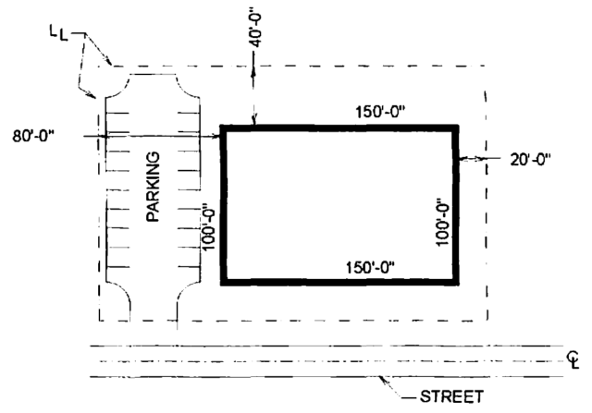
 |  |  |  |  |  | F = 500
 |  |  |  |  |  | P = 500
 |  |  |  |  |  | F / P = 100%
 |  |  |  |  |  | W = (30*150 +100*30+150*30+100*20)/F = | 28

 |  |  |  |  |  | From Table 506.3.3 => Enter table w/ W = 20ft => If = 0.5
 |  |  |  |  |  | From Eq. 5-5 w/ W=28ft => If = 0.70

